P1

Add: No. 7-4, Jinjie Road, Humen Town, Dongguan, Guangdong, China Attn: Ing. Jorge Mendoza Email: proyectos@metalza.com.ec Tel: +593 988160576 |  |  | INVOICE INVOICE: 0001088
Quotation

Buyer: Attn: RUT: Add: Email: Tel:

Electric chicken pressure fryer
ACTIVO | IMAGEN | ESPECIFICACIÓN | CANTIDAD | PRECIO | TOTAL

MDXZ-16 | 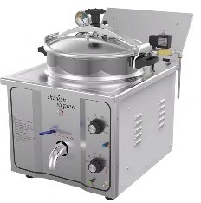 | 110V/220V/50Hz~60HZ Power：3KW Capacity：16L machine Size：380x470x530mm working pressure ：8Psi control temperature : room-200℃ Net weight：19kg | 1 | $311.00 | $311.00
MDXZ-16B | 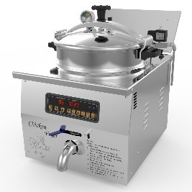 | 220V/50Hz~60HZ Power：3KW Capacity：16L machine Size：380x470x530mm working pressure ：8Psi control temperature : room-200℃ Net weight：19kg | 1 | $345.00 | $345.00
MDXZ-22 | 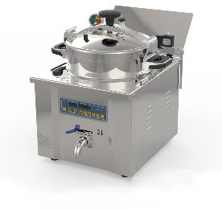 | 220V/50Hz~60HZ Power：3.5KW Capacity：22L Size：527x475x565mm control temperature : room-200℃ Net weight：27kg | 1 | $394.00 | $394.00
MDXZ-24 | 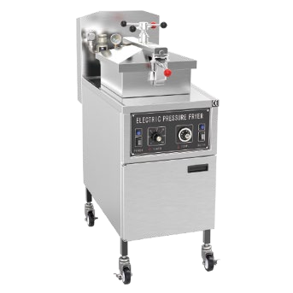 | 3N-380V/50Hz~60hz Power：13.5kw Capacity：24L Size：460x960x1230mm control temperature : room-200℃ Mechanical panel | 1 | $848.00 | $848.00
MDXZ-24D | 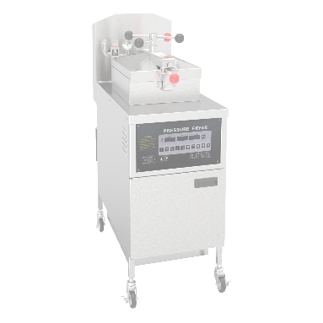 | 3N-380V/50Hz~60hz Power：13.5kw Capacity：24L Size：460x960x1230mm control temperature : room-200℃ Comuter panel | 1 | $887.00 | $887.00
PFE-500 | 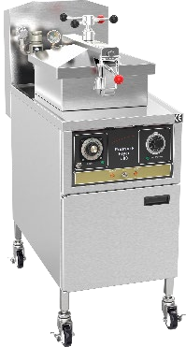 | 3N-380V/50Hz~60hz Power：13.5kw Capacity：24L Size：460x960x1230mm control temperature : room-200℃ Mechanical panel | 1 | $1,301.00 | $1,301.00
PFE-600 | 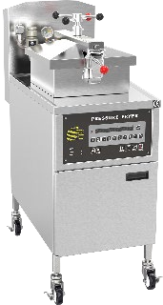 | 3N-380V/50Hz~60hz Power：13.5kw Capacity：24L Size：460x960x1230mm control temperature : room-200℃ Computerl panel | 1 | $1,430.00 | $1,430.00
PFE-600L | 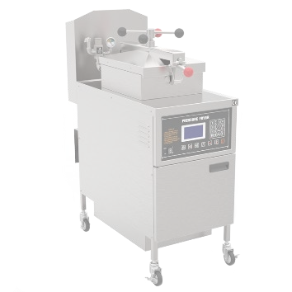 | 3N-380V/50Hz~60hz Power：13.5kw Capacity：24L Size：460x960x1230mm control temperature : room-200℃ LCD panel | 1 | $1,538.00 | $1,538.00
PFE-800 | 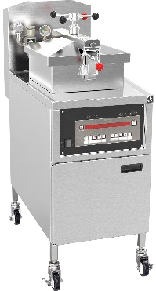 | 3N-380V/50Hz~60hz Power：13.5kw Capacity：24L Size：460x960x1230mm control temperature : room-200℃ Computerl panel | 1 | $1,508.00 | $1,508.00
PFE-1000 | 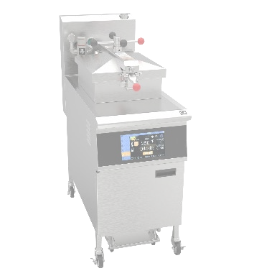 | 3N-380V/50Hz~60hz Power：13.5kw Capacity：25L Size：460x960x1230mm control temperature : room-200℃ LCD panel | 1 | $1,972.00 | $1,972.00
PFE-5910 | 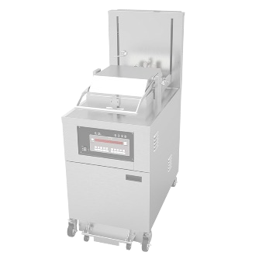 | 3N-380V/50Hz~60HZ Power:17kW Size：610*1070*1550mm Capacity: 8 chickens - 9.5 kg 45 kg shortening N.W.：344kg | 1 | $4,930.00 | $4,930.00
PFE-2000 | 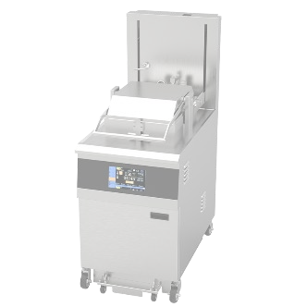 | 3N-380V/50Hz~60HZ Power:17kW Size：610*1070*1550mm Capacity: 8 chickens - 9.5 kg 45 kg shortening N.W.：344kg | 1 | $5,225.00 | $5,225.00
Gas chicken pressure fryer
MDXZ-25 |  | 220V/50Hz~60hz Capacity：25L Size：460x960x1230mm control temperature : room-200℃ Mechanical panel Natural gas:1260L/h LPG gas；504L/h | 1 | $937.00 | $937.00
MDXZ-25D | 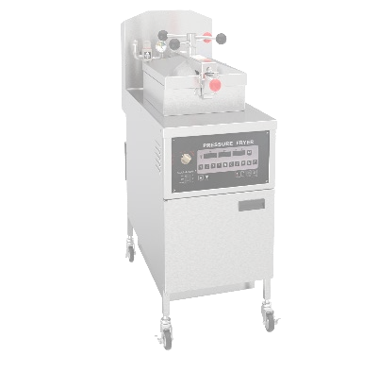 | 220V/50Hz~60hz Capacity：25L Size：460x960x1230mm control temperature : room-200℃ Computerl panel Natural gas:1260L/h LPG gas；504L/h | 1 | $966.00 | $966.00
PFG-600 | 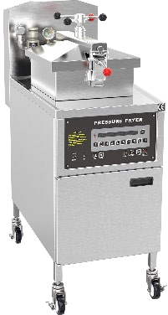 | 220V/50Hz~60hz Capacity：25L Size：460x960x1230mm control temperature : room-200℃ Computer panel Natural gas:1260L/h LPG gas；504L/h | 1 | $1,538.00 | $1,538.00
PFG-600L | 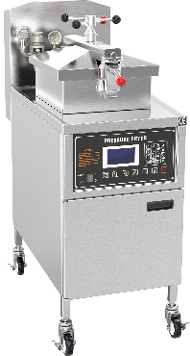 | 220V/50Hz~60hz Capacity：25L Size：460x960x1230mm control temperature : room-200℃ LCD panel Natural gas:1260L/h LPG gas；504L/h | 1 | $1,637.00 | $1,637.00
PFG-500 | 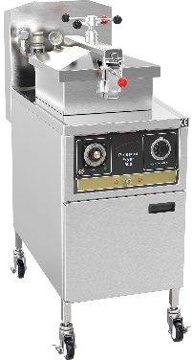 | 220V/50Hz~60hz Capacity：25L Size：460x960x1230mm control temperature : room-200℃ Mechanical panel Natural gas:1260L/h LPG gas；504L/h504L/h | 1 | $1,400.00 | $1,400.00
PFG-800 |  | 220V/50Hz~60hz Capacity：25L Size：460x960x1230mm control temperature : room-200℃ Computer panel Natural gas:1260L/h LPG gas；504L/h | 1 | $1,607.00 | $1,607.00
GAS open fryer
OFG-321 | 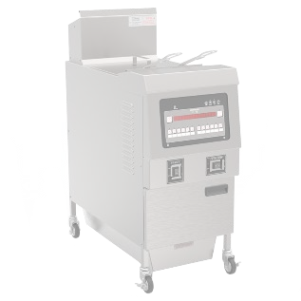 | Energy：LPG or Natural Gas Voltage：220V/50Hz Capacity：25L Size：440x900x1130mm Control temperature：20-190 ℃ Gas consumption: 1 minute/8.4L for liquefied gas and 1 minute/21L for natural gas | 1 | $1,015.00 | $1,015.00
OFG-322 | 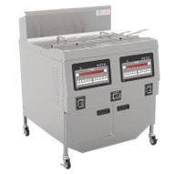 | Energy：LPG or Natural Gas Voltage：220V/50Hz~60hz Capacity：25L*2 Size：850x900x1130mm Control temperature：20-190 ℃ Gas consumption: 1 minute/8.4L for liquefied gas and 1 minute/21L for natural gas | 1 | $1,873.00 | $1,873.00
OFG-323 | 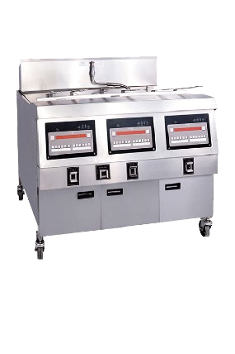 | Energy：LPG or Natural Gas Voltage：220V/50Hz~60hz Capacity：25L*3 Size：1323x949x1180mm Control temperature：20-190 ℃ Gas consumption: 1 minute/8.4L for liquefied gas and 1 minute/21L for natural gas | 1 | $2,731.00 | $2,731.00
OFG-H321L | 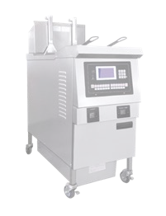 | Energy：LPG or Natural Gas Voltage：220V/50Hz~60hz Capacity：25L Size：441x949x1180mm Control temperature：20-190 ℃ Gas consumption: 1 minute/8.4L for liquefied gas and 1 minute/21L for natural gas | 1 | $1,331.00 | $1,331.00
OFG-H322L | 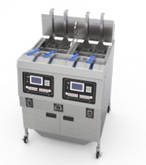 | Energy：LPG or Natural Gas Voltage：220V/50Hz~60hz Capacity：25L*2 Size：850x900x1130mm Control temperature：20-190 ℃ Gas consumption: 1 minute/8.4L for liquefied gas and 1 minute/21L for natural gas | 1 | $2,485.00 | $2,485.00
OFG-H321 | 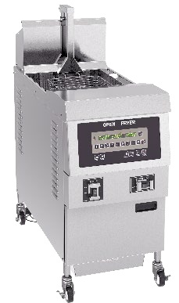 | Energy：LPG or Natural Gas Voltage：220V/50Hz~60hz Capacity：25L Size：441x949x1180mm Control temperature：20-190 ℃ Gas consumption: 1 minute/8.4L for liquefied gas and 1 minute/21L for natural gas | 1 | $1,232.00 | $1,232.00
Electric Open Fryer
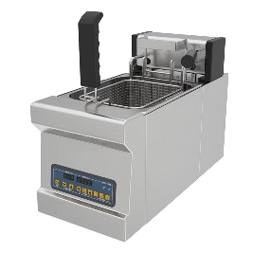 OFE-H08 |  | 220V/50Hz~60hz Size： 265*610*415MM； Power： 3KW Control Temperature： Room-200℃ Capacity： 8L | 1 | $306.00 | $306.00
 OFE-321 |  | 3N-380V/50Hz~60hz Power：14.2kw Capacity：40L Size：441x949x1180mm Control temperature： 20-190℃ | 1 | $917.00 | $917.00
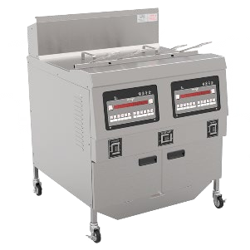 OFE-322 |  | 3N-380V/50Hz~60hz Power：27.7kw Capacity：40L*2 Size：882x949x1180mm Control temperature： 20-190℃ | 1 | $1,745.00 | $1,745.00
OFE-H321 |  | 3N-380V/50Hz~60hz Power：14.2kw Capacity：40L Size：441x949x1180mm Control temperature： 20-190℃ | 1 | $1,124.00 | $1,124.00
OFE-H321L | 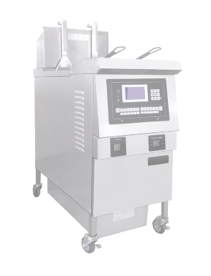 | 3N-380V/50Hz~60hz Power：14.2kw Capacity：25L Size：441x949x1180mm Control temperature： 20-190℃ | 1 | $1,223.00 | $1,223.00
OFE-H322L |  | 3N-380V/50Hz~60hz Power：27.7kw Capacity：25L*2 Size：882x949x1180mm Control temperature： 20-190℃ | 1 | $2,277.00 | $2,277.00
OFE-126 | 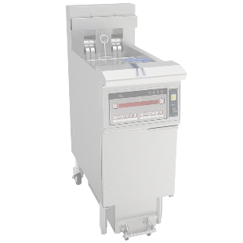 | 3N-380V/50hz~60hz Control temperature： 20℃- 200℃ Power: 14.3KW Capacity: 21.5L Size: 400x865x1176mm | 1 | $1,223.00 | $1,223.00
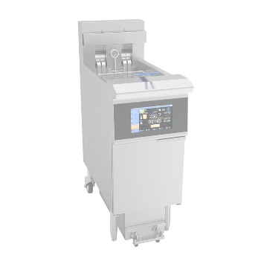 OFE-126L |  | 3N-380V/50hz~60hz Control temperature： 20℃- 200℃ Power: 14.3KW Capacity: 21.5L Size: 400x865x1176mm | 1 | $1,341.00 | $1,341.00
OFE-H126 | 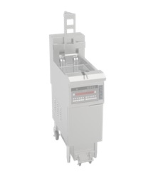 | 3N-380V/50hz~60hz Control temperature： 20℃- 200℃ Power: 14.3KW Capacity: 21.5L Size: 400x865x1210mm | 1 | $1,321.00 | $1,321.00
OFE-H126L | 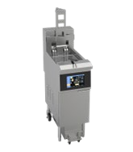 | 3N-380V/50hz~60hz Control temperature： 20℃- 200℃ Power: 14.3KW Capacity: 21.5L Size: 400x865x1211mm | 1 | $1,439.00 | $1,439.00
OFE-213 | 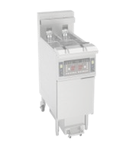 | 3N-380V/50hz~60hz Control temperature： 20℃- 200℃ Power: 14.3KW Capacity: 11.6L*2 Size: 430x865x1175mm | 1 | $1,331.00 | $1,331.00
OFE-213L | 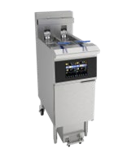 | 3N-380V/50hz~60hz Control temperature： 20℃- 200℃ Power: 14.3KW Capacity: 11.6L*2 Size: 430x865x1176mm | 1 | $1,548.00 | $1,548.00
OFE-H213 | 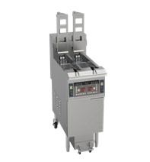 | 3N-380V/50hz~60hz Control temperature： 20℃- 200℃ Power: 14.3KW Capacity: 11.6L*2 Size: 430x865x1210mm | 1 | $1,528.00 | $1,528.00
OFE-H213L | 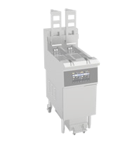 | 3N-380V/50hz~60hz Control temperature： 20℃- 200℃ Power: 14.3KW Capacity: 11.6L*2 Size: 430x865x1211mm | 1 | $1,745.00 | $1,745.00
OFE-239 | 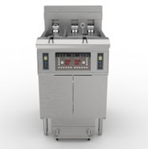 | 3N-380V/50hz~60hz Control temperature： 20℃-200℃ Power: 21.6KW Capacity: 13L+26L Size: 801x596x1173mm | 1 | $2,051.00 | $2,051.00
OFE-H239 | 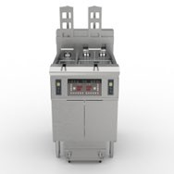 | 3N-380V/50hz~60hz Control temperature： 20℃-200℃ Power: 21.6KW Capacity: 13L+26L Size: 801x596x1174mm | 1 | $2,248.00 | $2,248.00
OFE-239L | 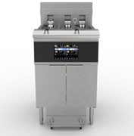 | 3N-380V/50hz~60hz Control temperature： 20℃-200℃ Power: 21.6KW Capacity: 13L+26L Size: 801x596x1175mm | 1 | $2,120.00 | $2,120.00
OFE-H239L | 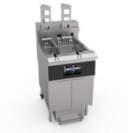 | 3N-380V/50hz~60hz Control temperature： 20℃-200℃ Power: 21.6KW Capacity: 13L+26L Size: 801x596x1176mm | 1 | $2,317.00 | $2,317.00
OFE-226 | 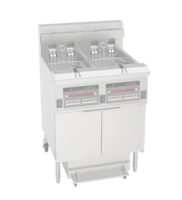 | 3N-380V/50hz~60hz Control temperature： 20℃- 200℃ Power: 28.6KW Capacity: 21.5L*2 Size: 800x865x1175mm | 1 | $2,277.00 | $2,277.00
OFE-226L | 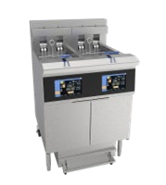 | 3N-380V/50hz~60hz Control temperature： 20℃- 200℃ Power: 28.6KW Capacity: 21.5L*2 Size: 800x865x1176mm | 1 | $2,504.00 | $2,504.00
OFE-H226 | 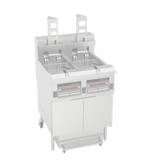 | 3N-380V/50hz~60hz Control temperature： 20℃- 200℃ Power: 28.6KW Capacity: 21.5L*2 Size: 800x865x1177mm | 1 | $2,475.00 | $2,475.00
OFE-H226L | 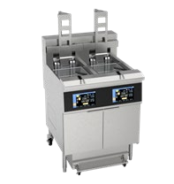 | 3N-380V/50hz~60hz Control temperature： 20℃- 200℃ Power: 28.6KW Capacity: 21.5L*2 Size: 800x865x1178mm | 1 | $2,701.00 | $2,701.00
OFE-413 | 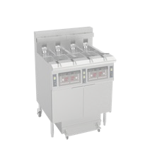 | 3N-380V/50hz~60hz Control temperature： 20℃-200℃ Power: 28.6KW Capacity: 11.6L*4 Size: 800x865x1179mm | 1 | $2,475.00 | $2,475.00
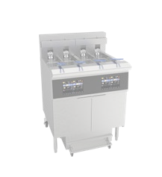 OFE-413L |  | 3N-380V/50hz~60hz Control temperature： 20℃-200℃ Power: 28.6KW Capacity: 11.6L*4 Size: 800x865x1180mm | 1 | $2,908.00 | $2,908.00
OFE-H413 | 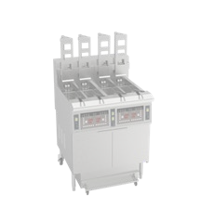 | 3N-380V/50hz~60hz Control temperature： 20℃-200℃ Power: 28.6KW Capacity: 11.6L*4 Size: 860x865x1210mm | 1 | $2,869.00 | $2,869.00
OFE-H413L | 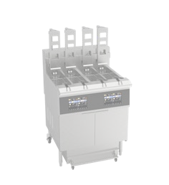 | 3N-380V/50hz~60hz Control temperature： 20℃-200℃ Power: 28.6KW Capacity: 11.6L*4 Size: 860x865x1211mm | 1 | $3,303.00 | $3,303.00
Warmers
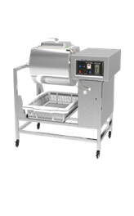
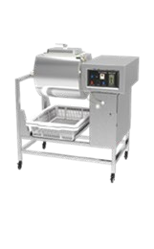
Normal marinade YA-900 |  | 220V-240V/50Hz Power：0.18kw Size：953x660x914mm mix pot speed：32r/min | 1 | $394.00 | $394.00
Vaccum marinade YA-809 |  | 220V-240V/50Hz Power：0.18kw+0.17kw Size：953x660x914mm mix pot speed：32r/min | 1 | $473.00 | $473.00
Electric warming showcase DBG-1200 |  | emperature control： Room~100℃ 3N~380V/50hz~60hz Power： 3.5kw Size： 1370x750x950mm | 1 | $828.00 | $828.00
Electric warming showcase DBG-1600 |  | emperature control： Room~100℃ 3N~380V/50hz~60hz Power： 3.9kw Size： 1770x750x950mm | 1 | $917.00 | $917.00
Electric warming showcase DBG-2000 |  | emperature control： Room~100℃ 3N~380V/50hz~60hz Power： 4.2kw Size： 2170x750x950mm | 1 | $1,035.00 | $1,035.00
Vertical double door Electric Warming showcase HHC-980 | 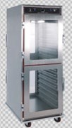 | 220V/50Hz~60hz Power：2.5kw Size：630x800x1760mm Temperature Control ： Room-100℃ | 1 | $966.00 | $966.00
HHC-900 | 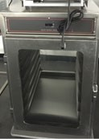 | 220V/50Hz~60hz Power：2.5kw Size：630x800x880mm Temperature Control ： Room-100℃ | 1 | $730.00 | $730.00
chips warmer VF-100 | 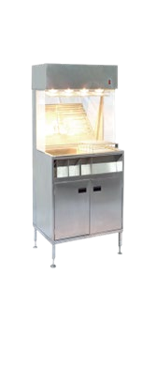 | 220V/50Hz~60HZ Power：1.1kw Size：1000x700x1500mm | 1 | $414.00 | $414.00



chips warmer VF-60 |  | 220V/50Hz~60HZ Power：1.1kw Size：600x700x1500mm | 1 | $385.00 | $385.00
GW-2400 |  | 3N -380V/50Hz~60hz Power：0.4kw Size：1200x700x950mm Electric heating | 1 | $680.00 | $680.00
VCL-1200 |  | size：1200x760x780mm stainless steel | 1 | $779.00 | $779.00
VCL-1600VCL-1200 |  | size：1600x760x780mm stainless steel | 1 | $828.00 | $828.00
VCL-2000 |  | size：2000x760x780mm stainless steel | 1 | $897.00 | $897.00
 |  |  |  | $98,083.00 | $98,083.00

TERMS & CONDITIONS
Order Term: CIF DDP
Payment term: 65% deposit-for advance payment 35% against shipping documents All balance before delivery
Delivery time: 20 to 25 days once the advance payment is made
Warranty: 1. 1 year 2. Customer shall provide feedback with photos/videos on the goods within 48 hours after receivd. After-sales service will be invalid if the feedback is overdue. 3. Customer shall read factory instruction book before operating the equipment. 4. After-sales checking must be done by professional technician. 5. Spare parts will be paid by customer as below: 1). Parts not covered by warranty 2). Transportation caused damage. 3). Mis-handling caused damage. 4). Non-technician caused damage by repairing or maintenance without instruction. 5). Techinician caused damage by not following factory instruction.
Packing: All items would be well packed in carton box, some machine in wooden packaging, all additional and special printing, labeling, bar codes etc. request will be subject to additional charges.

SWIFT/BIC Code：DHBKHKHH (DHBKHKHHXXX * If 11 characters are required) Account Number：79969000439598 Account Name：Dongguan Ximaisi Electric Appliance Co., Ltd. * If the account name is too long, you can continue filling it into the address field. Bank Name：DBS Bank (Hong Kong) Limited Bank Address：11th Floor, The Center, 99 Queen's Road Central, Central, Hong Kong Country/Region：Hong Kong Type of Account：Business Account Bank Code：016 Branch Code：478

